Hidden Items
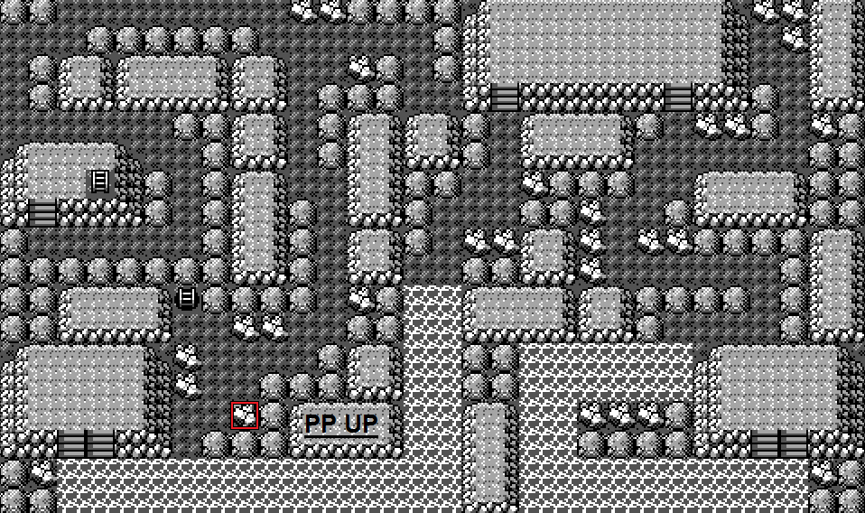
Pokémon Yellow: Cramorant Edition - Hidden Items

Hidden Items Map Color Guide |  | (Compared with original Yellow) | (Some maps have been segmented to only show relevant locations of items)

 | = Same item, same location
 | = Same item, new location
 | = Added in Cramorant Edition

Pallet Town
Rare Candy

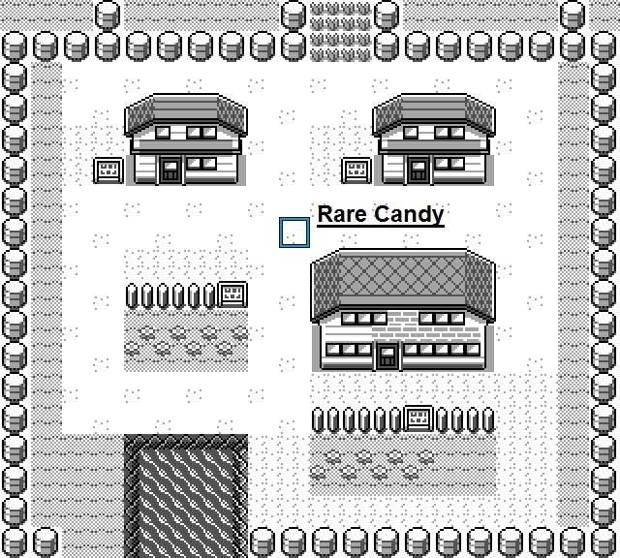

Viridian City
Potion

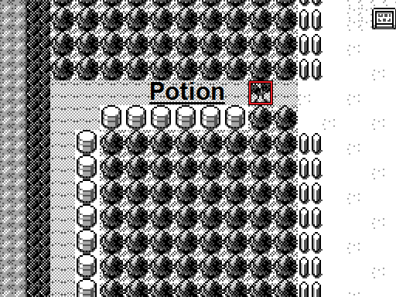

Route 22
Potion

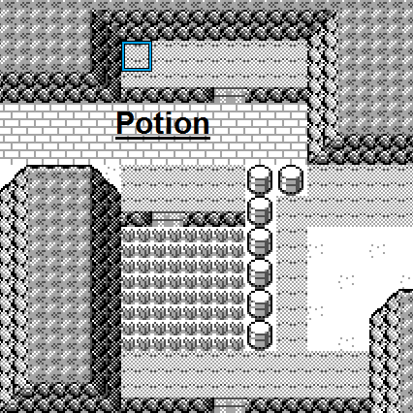

Route 2
Nugget

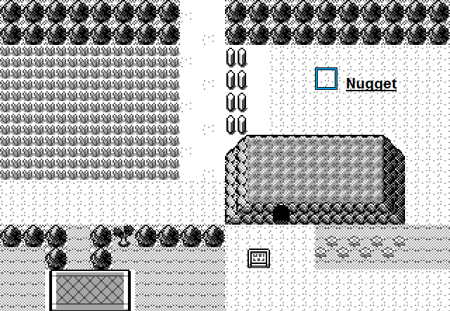

Viridian Forest
Antidote
Leaf Stone
Potion

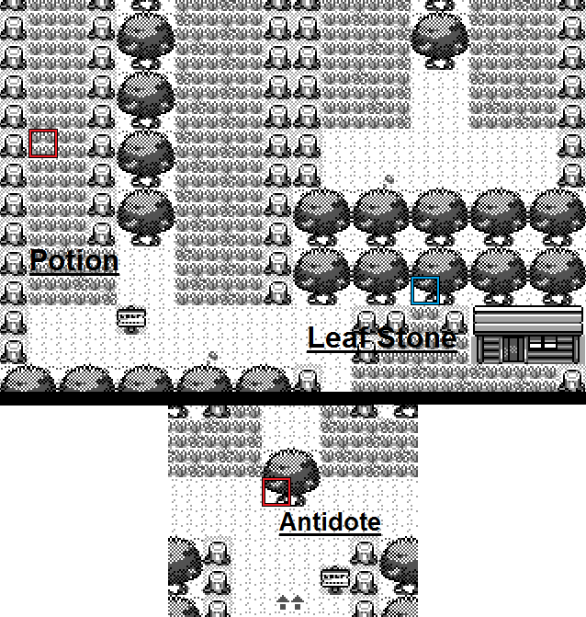

Pewter City
Moon Stone
Great Ball

Route 3
Ether

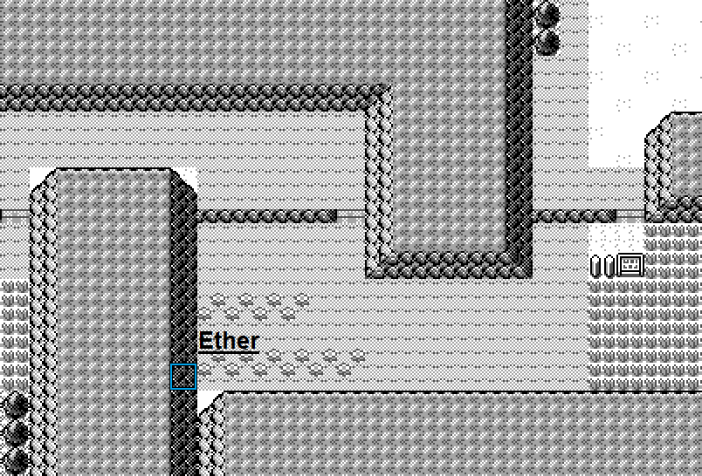

Mt. Moon B2F
Ether
Moon Stone

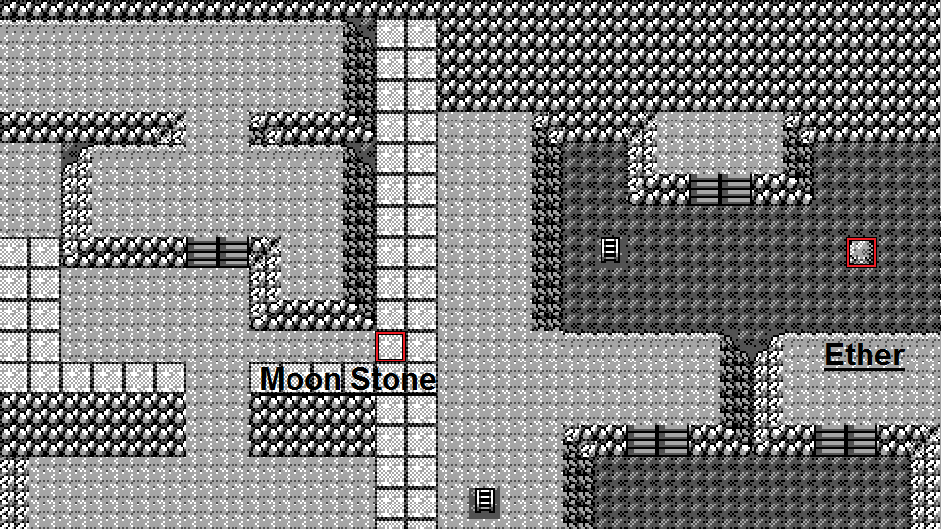

Route 4
Great Ball
Protein

Cerulean City
Rare Candy
Iron

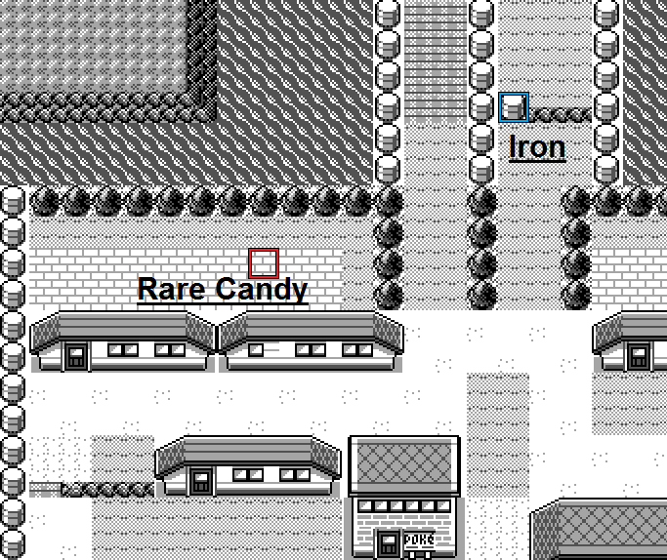

Route 25
Elixer
Ether

Route 5
Rare Candy

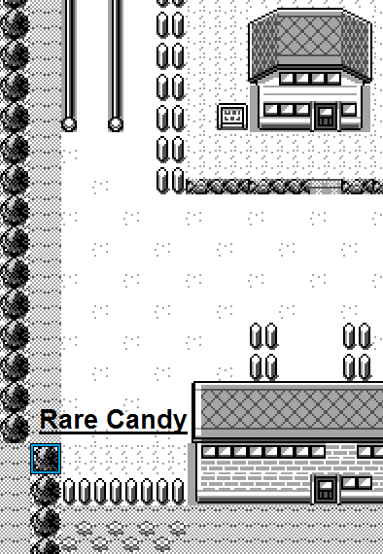

Underground Path NS

Full Restore
X Special

Route 6
Safari Ball
Safari Ball

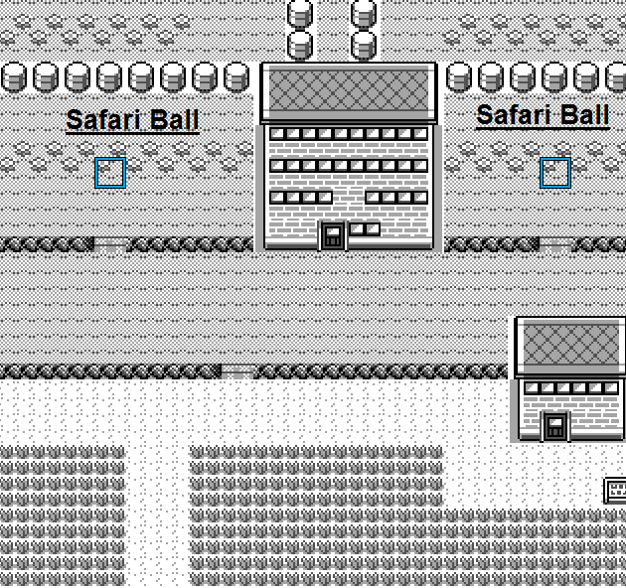

Vermilion City
Max Ether

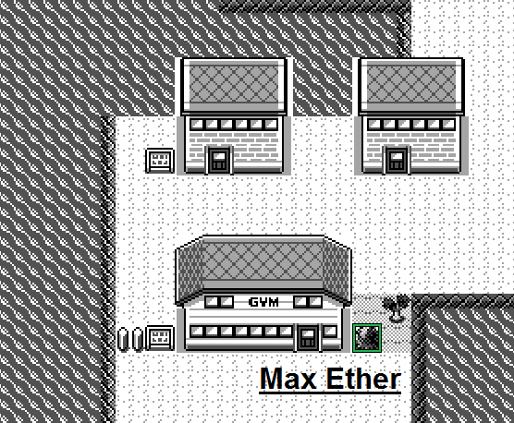

Diglett's Cave
Link Cable

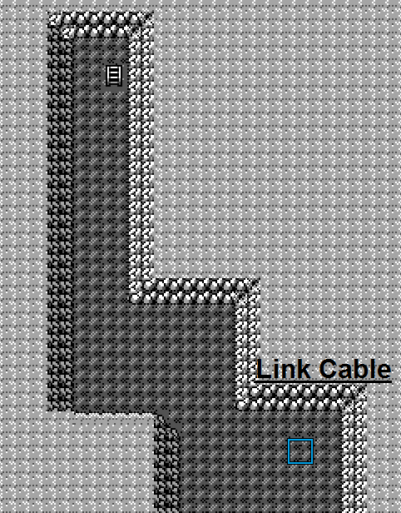

Route 11
Escape Rope
Elixer

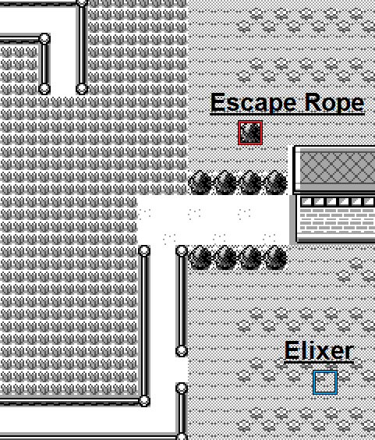

Vermilion Dock
Master Ball

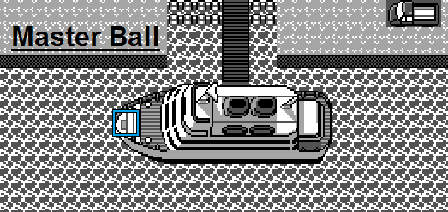

S.S. Anne Kitchen
Great Ball

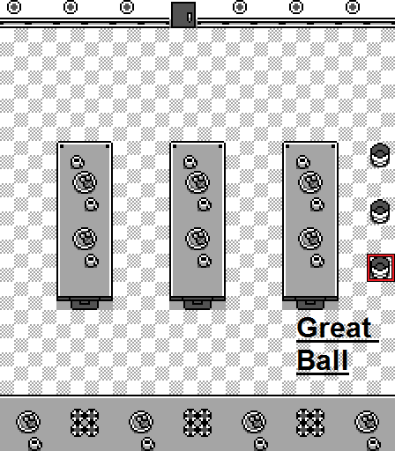

S.S. Anne Bow
Rare Candy

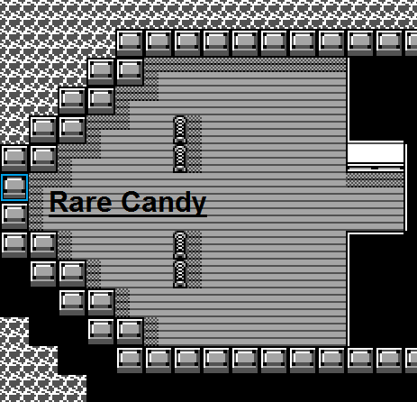

S.S. Anne B1F Rooms
Hyper Potion | (In the room with 2 trainers on the left wall)

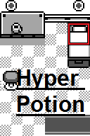

Route 9
Ether
Nugget

Route 10
Super Potion
Max Ether

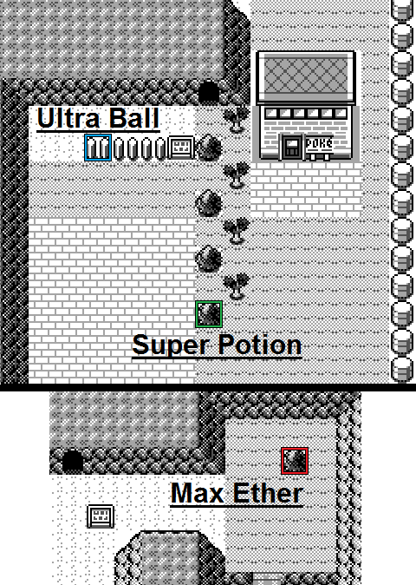

Rock Tunnel B1F
HP UP
Calcium
Carbos

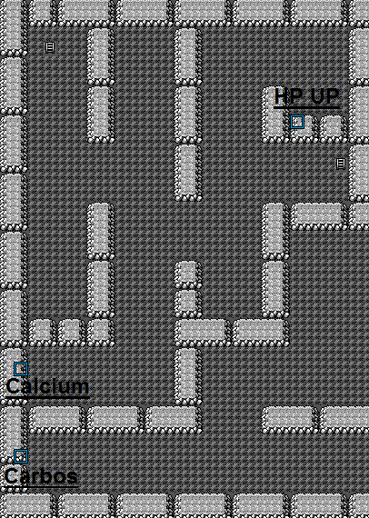

Power Plant
Max Elixer
Thunder Stone
PP UP

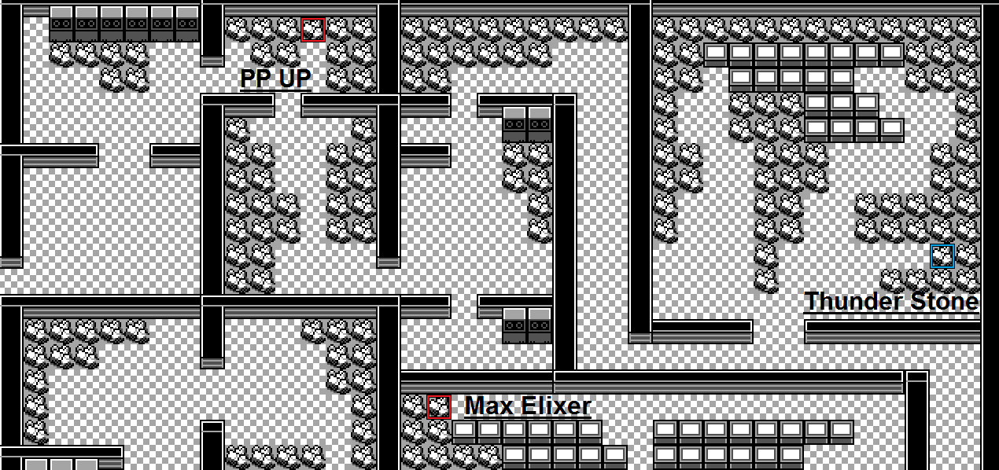

Lavender Town
Safari Ball

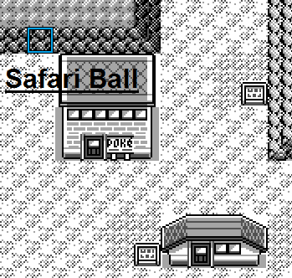

Pokémon Tower 4F
Hyper Potion

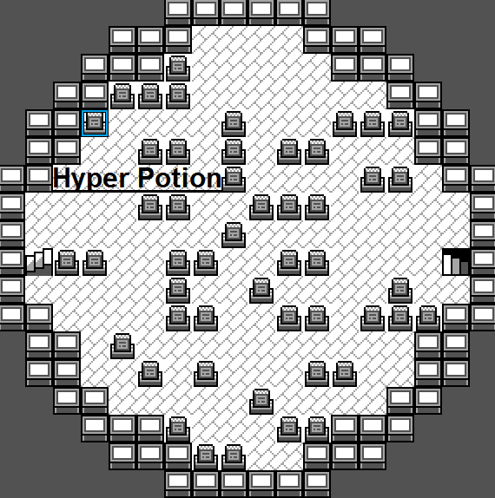

Pokémon Tower 5F
Elixer

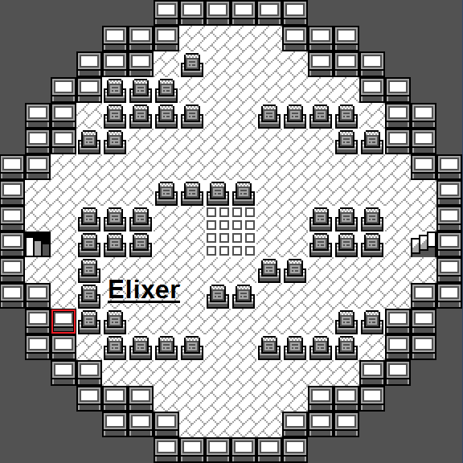

Route 8
Ultra Ball
Nugget
Rare Candy

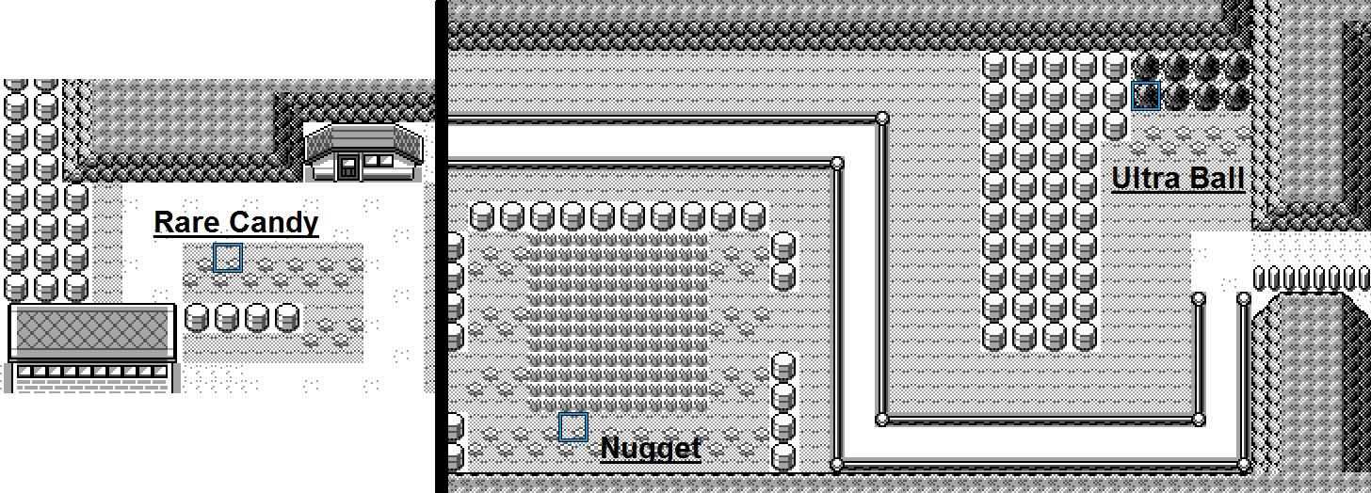

Underground Path WE
Elixer
Nugget

Way Of Fish B1F
Master Ball

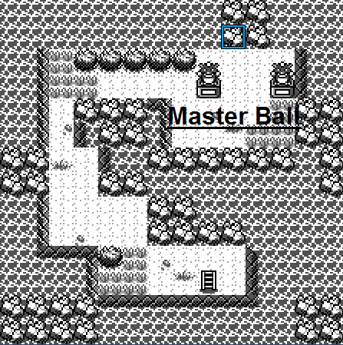

Celadon City
Safari Ball
Rare Candy
PP UP
Lemonade

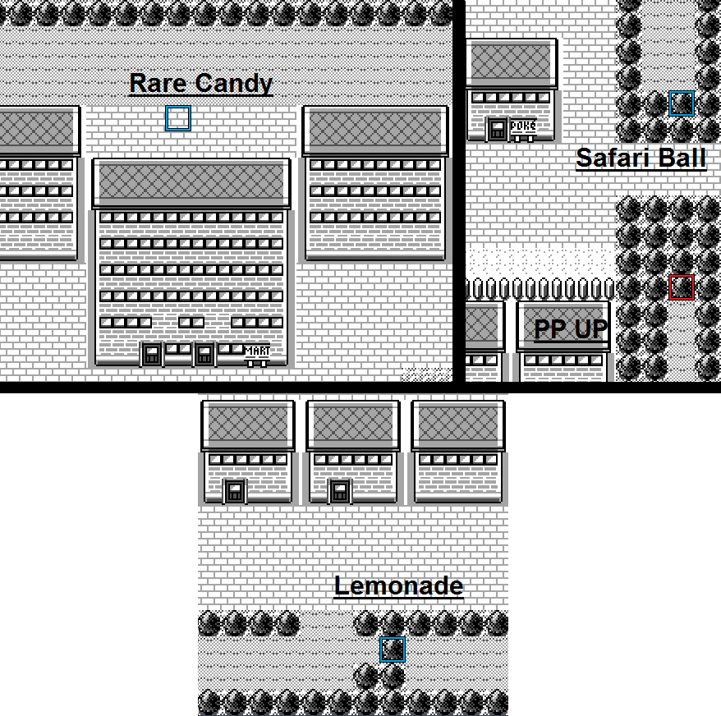

Game Corner
Coins in 10,20,40,100

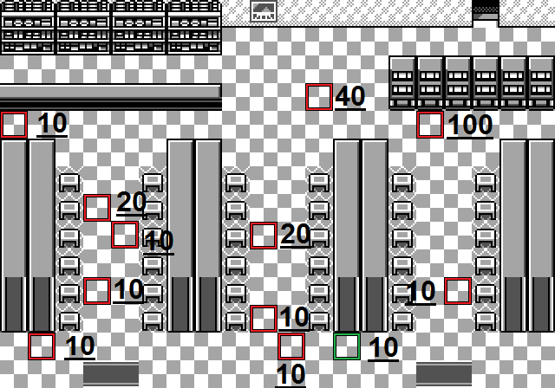

Rocket Hideout B1F
PP UP

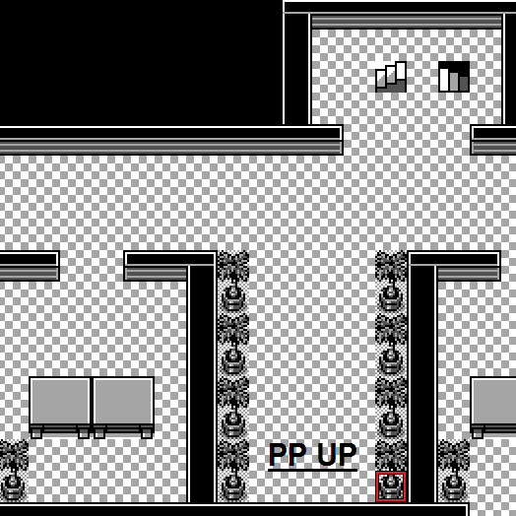

Rocket Hideout B3F
Nugget

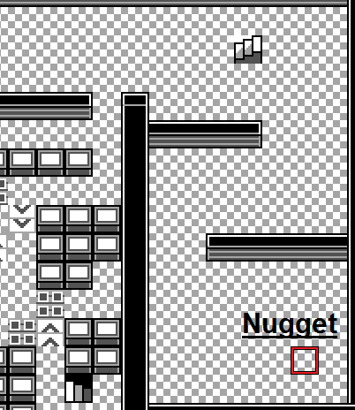

Rocket Hideout B4F
Super Potion

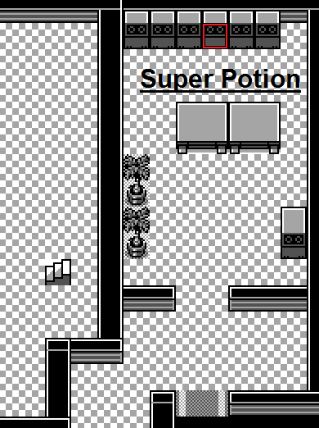

Route 12
Water Stone
Hyper Potion

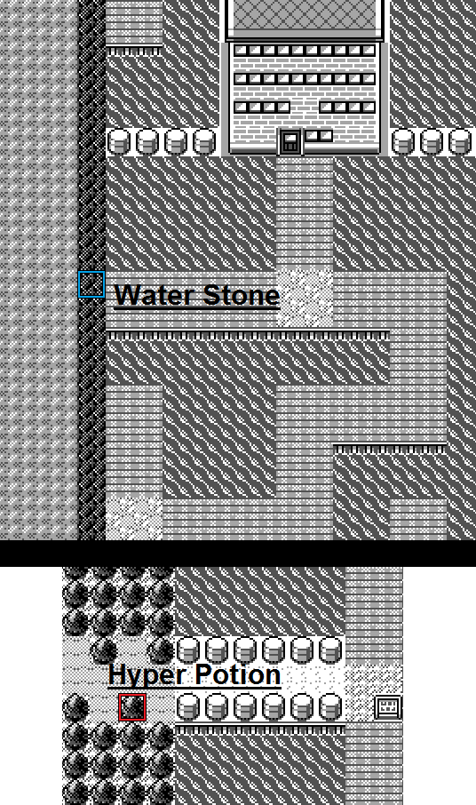

Route 13
Protein
Calcium
PP UP
Full Restore

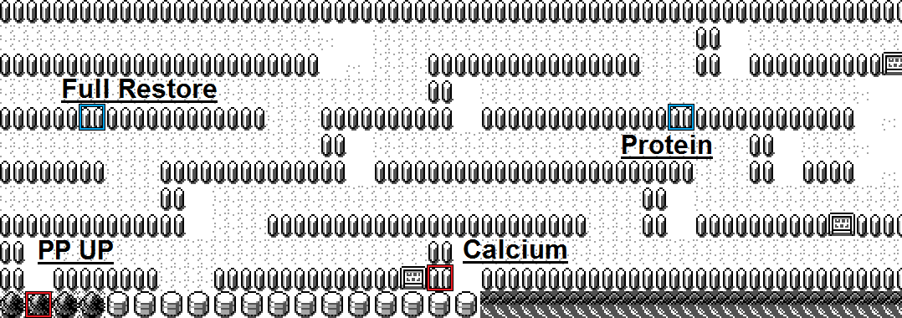

Route 14
Carbos
Iron
HP UP

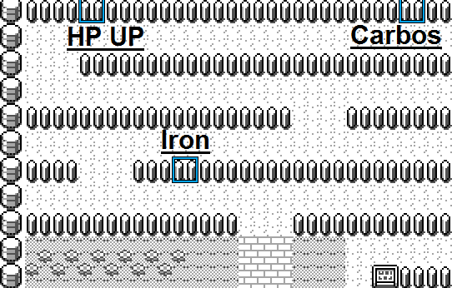

Route 15
Rare Candy
Hyper Potion

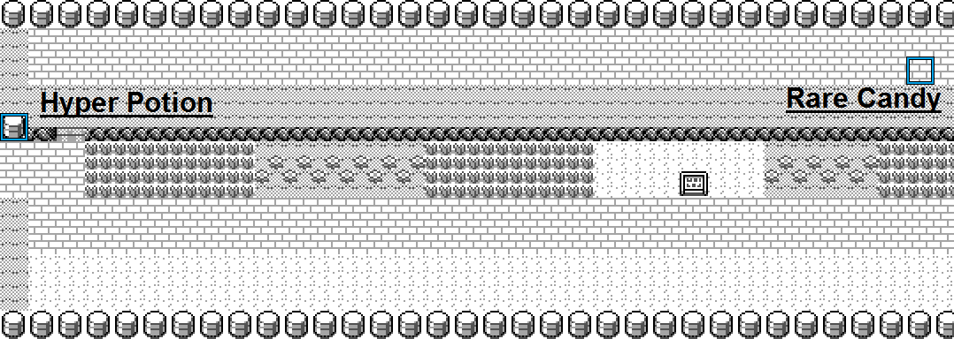

Route 16
Max Elixer

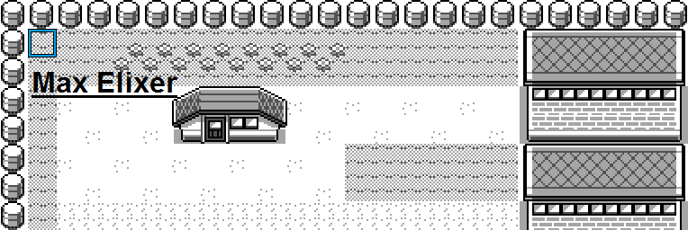

Route 17
Rare Candy
Full Restore
PP UP
Max Revive
Max Elixer

Route 18
Master Ball

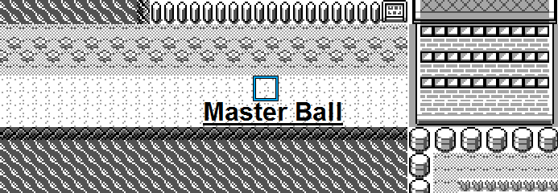

Fuchsia City
Safari Ball
Safari Ball
Safari Ball
Safari Ball
Safari Ball

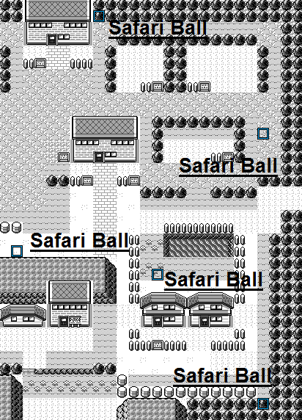

Safari Zone Entrance
Nugget

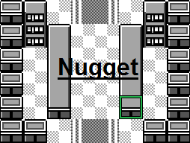

Safari Zone West
Revive

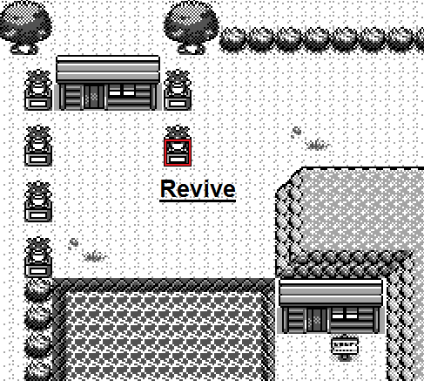

Saffron City
Master Ball
Poké Doll

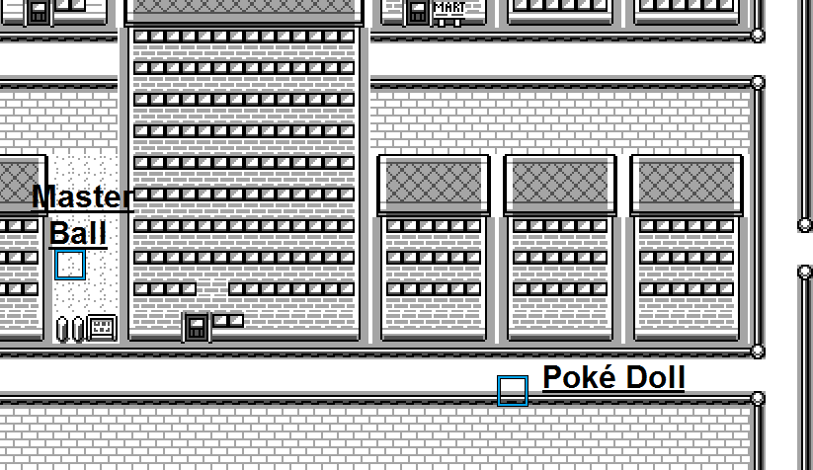

Silph Co. 5F
Ether

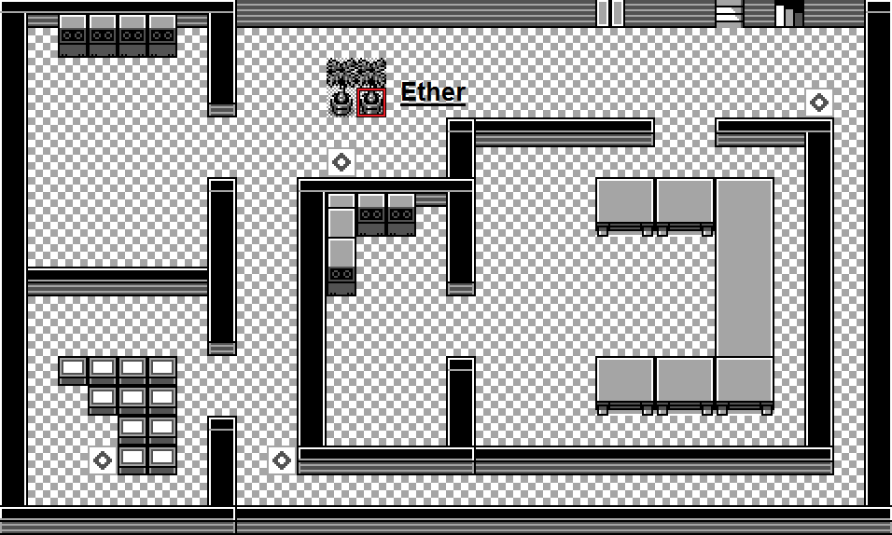

Silph Co. 9F
Max Potion

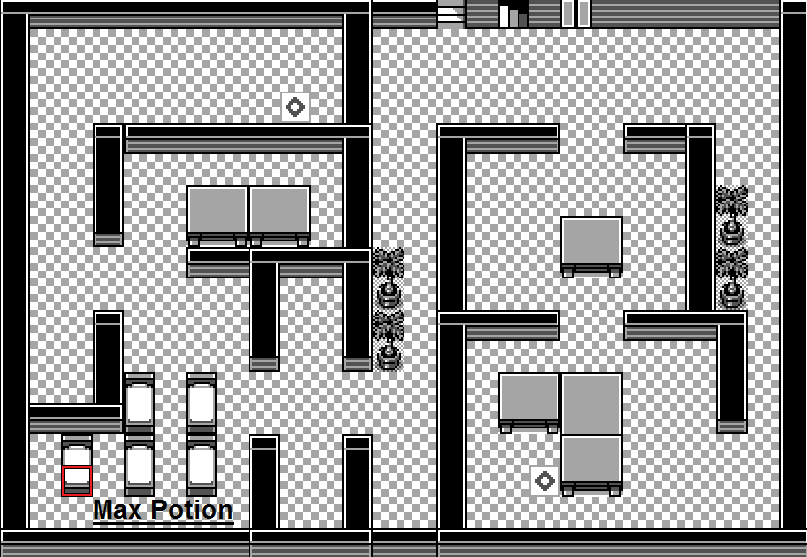

Copycat's House 2F
Nugget

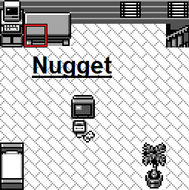

Seafoam Islands B2F
Nugget

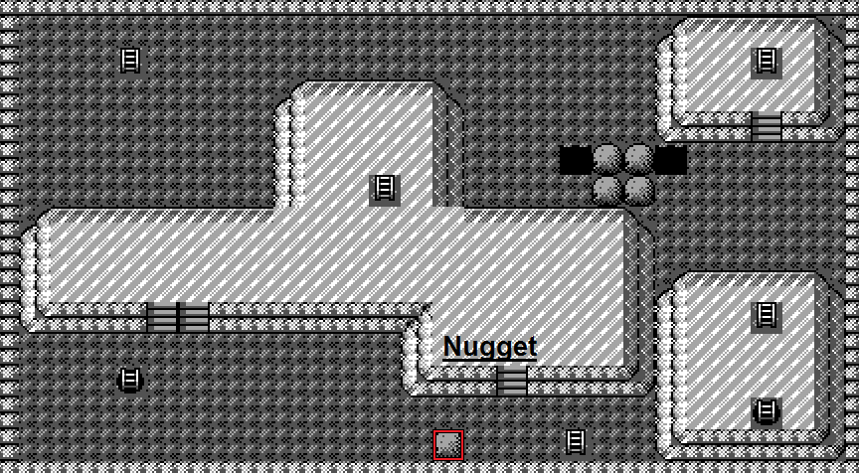

Seafoam Islands B3F
Max Elixer

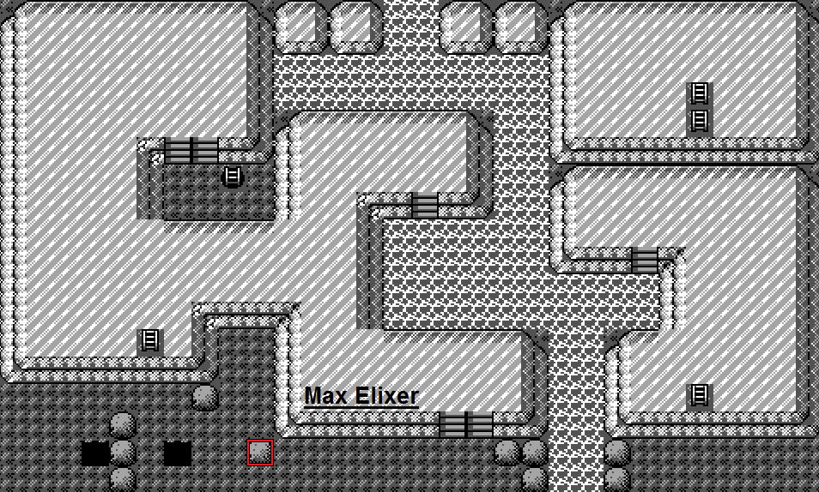

Seafoam Islands B4F
Ultra Ball

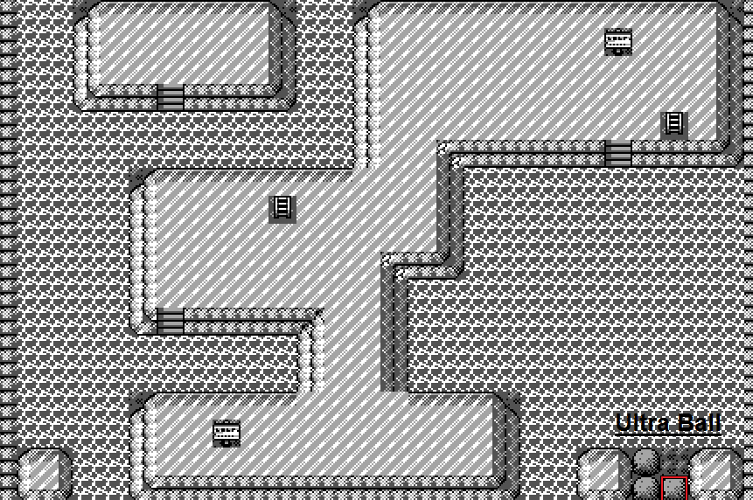

Pokémon Mansion 1F
Moon Stone

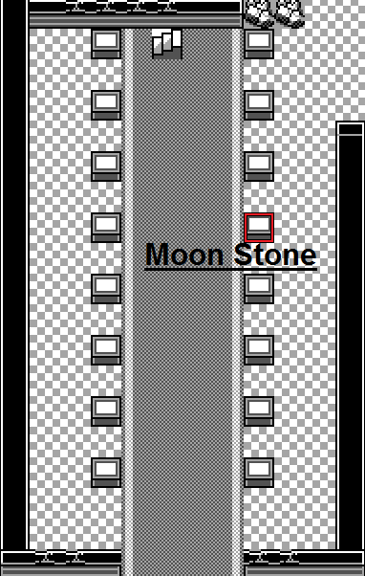

Pokémon Mansion 2F
Fire Stone

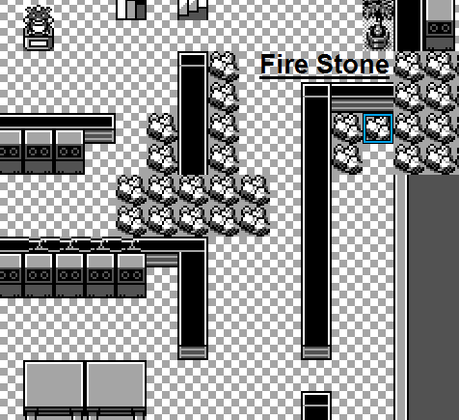

Pokémon Mansion 3F
Max Revive

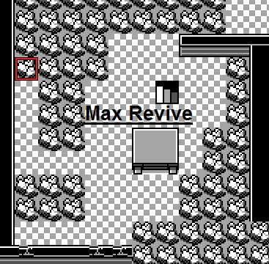

Pokémon Mansion B1F
Coin
Rare Candy



Route 23
Max Ether
Ultra Ball
Max Revive
Full Restore



Victory Road 1F
Max Revive
Full Restore



Victory Road 2F
Ultra Ball
Full Restore



Victory Road 3F
Max Elixer



Cerulean Cave 1F
PP UP



Cerulean Cave 2F
PP UP



Cerulean Cave B1F
PP UP

